Аркуш1
In this document, I have shown examples of 5 bug reports that were written by me. You can view more of my practical works at the link. |  | LINK

The site I'm testing - link.
Requirements - link.
Link to test cases

ID: | 1
Summary: | No warning about an error in data management during registration if you enter only spaces in the "Full name" field
Priority: | Medium
Severity: | Minor
Enviroment: | HP 250 G7 Notebook PC. Windows 10 Pro. Version 10.0.19044 Google Chrome browser. Version 109.0.5414.120
Precondition: | 1.Open the authorization page of the "Voypost" site - https://voypost-qa-20220630.firebaseapp.com/login 2.Click the "Register" button
Steps to reproduce:
1.Enter a valid email
2.Enter only spaces in the "Full name" field
3.Enter a valid password
4.Confirm valid password
5.Click the "Register" button
Actual result: | The user is registered. The home page opens.
Expected result: | Registration does not take place. The name of the field "Full name" is red. Below the field is the inscription: "Enter a valid full name"
Attachments:
Postcondition: | Delete registered user
References on test case: | https://docs.google.com/spreadsheets/d/11uvj4oHqGZUr4hHWrEzOhSZahAzorXph2h088NjMBRk/edit#gid=0&range=A8:B19

ID: | 2
Summary: | Invisibility of the search field when scrolling the "explorer flats" page
Priority: | Low
Severity: | Trivial
Enviroment: | HP 250 G7 Notebook PC. Windows 10 Pro. Version 10.0.19044 Google Chrome browser. Version 109.0.5414.120
Precondition: | Open the authorization page of the "Voypost" site - https://voypost-qa-20220630.firebaseapp.com/login
Steps to reproduce:
1.Log in using the data of the registered user
2 Click the "Explore flats" button
3.Scroll down the page so that the "City" field intersects with the list of apartments
4.Choose any city
Actual result: | The field merges with the list of apartments. The entered information is not visible
Expected result: | The field is clearly visible against the background of the list of apartments. The entered information is easy to view
Attachments: | 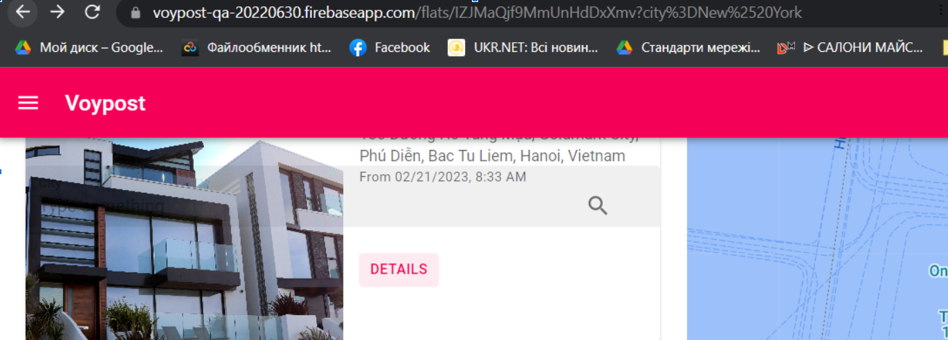
Postcondition:
References on test case: | https://docs.google.com/spreadsheets/d/11uvj4oHqGZUr4hHWrEzOhSZahAzorXph2h088NjMBRk/edit#gid=0&range=A22:B32

ID: | 3
Summary: | No warning about an error in data management when adding an apartment, if past dates are entered in the "Available from (local time)" field
Priority: | Medium
Severity: | Major
Enviroment: | HP 250 G7 Notebook PC. Windows 10 Pro. Version 10.0.19044 Google Chrome browser. Version 109.0.5414.120
Precondition: | 1.Open the authorization page of the "Voypost" site - https://voypost-qa-20220630.firebaseapp.com/login 2.Log in using the data of the registered user 3.Click the "Explore flats" button
Steps to reproduce:
1.In the lower right corner, click the button "Add flat"
2. Enter an existing address
3. Enter the price
4. Enter the past date
5. Click the "Publish" button
Actual result: | The apartment has been added and is displayed in the list of apartments.
Expected result: | The apartment is not included. The "Available from (local time)" field is highlighted in red. The field name turns red. The message "Invalid time value" appears at the bottom left
Attachments: | 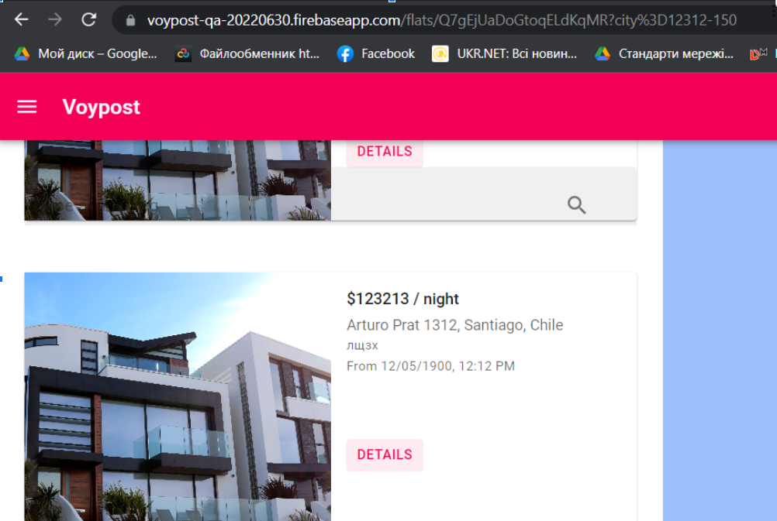
Postcondition: | Delete the added apartment
References on test case: | https://docs.google.com/spreadsheets/d/11uvj4oHqGZUr4hHWrEzOhSZahAzorXph2h088NjMBRk/edit#gid=0&range=A36:B47

ID: | 4
Summary: | Error in displaying the map of the added apartment (API error)
Priority: | High
Severity: | Critical
Enviroment: | HP 250 G7 Notebook PC. Windows 10 Pro. Version 10.0.19044 Google Chrome browser. Version 109.0.5414.120
Precondition: | 1.Open the authorization page of the "Voypost" site - https://voypost-qa-20220630.firebaseapp.com/login 2.Log in using the data of the registered user 3.Click the "Explore flats" button
Steps to reproduce:
1.In the lower right corner, click the button "Add flat"
2.Enter valid data
3.Click the "Publish" button
4. Press the "Details" button of the previously added apartment
Actual result: | A blue page with a location sign is displayed on the left side of the page. An error in the operation of the API
Expected result: | A map with the location of the apartment is displayed on the left side of the page
Attachments: | 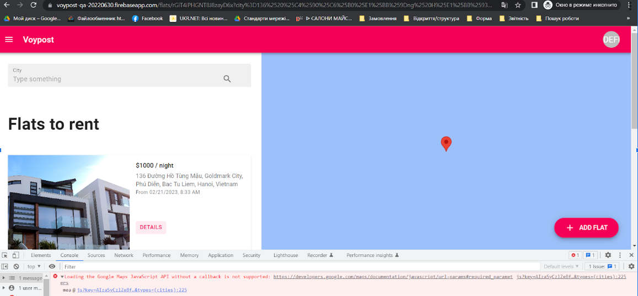
Postcondition: | Delete the added apartment
References on test case: | https://docs.google.com/spreadsheets/d/11uvj4oHqGZUr4hHWrEzOhSZahAzorXph2h088NjMBRk/edit#gid=0&range=A50:B60

ID: | 5
Summary: | Error when exiting the authorized profile via the "Logout" button
Priority: | Medium
Severity: | Minor
Enviroment: | HP 250 G7 Notebook PC. Windows 10 Pro. Version 10.0.19044 Google Chrome browser. Version 109.0.5414.120
Precondition: | 1.Open the authorization page of the "Voypost" site - https://voypost-qa-20220630.firebaseapp.com/login 2.Log in using the data of the registered user
Steps to reproduce:
1 In the upper right side, click on the initials
2 Click the "Logout" button

Actual result: | There is a transition to the page with the inscription "Page not found"
Expected result: | Redirected to the authorization page
Attachments: | 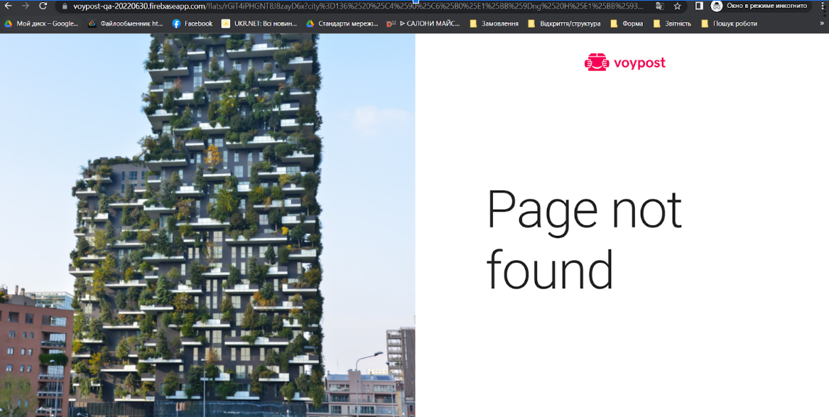
Postcondition:
References on test case: | https://docs.google.com/spreadsheets/d/11uvj4oHqGZUr4hHWrEzOhSZahAzorXph2h088NjMBRk/edit#gid=0&range=A63:B73

